Template
Province of Yorkshire West Riding - Festival Jewel Registration Form

Lodge Name |  | Lodge Number

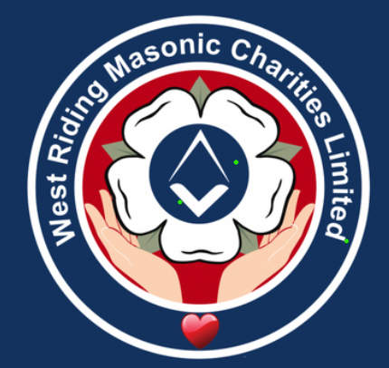
Charity Steward |  | Charity Stewards Email

The Brethren listed below MUST fall under one of the following criteria to qualify:

1. Donate by Standing Order a minimum of £10 per calendar month into the Lodges Charity Account
2. Donate by Standing Order a minimum of £120 a year into the Lodges Charity Account (Quarterly, Bi-annually, Annually etc)
3. Pay a Cheque or other means a minimum of £120 a year to the Charity Steward to be paid into the Lodges Charity Account

Completed by Charity Steward |  |  |  |  |  |  | Lodge | Lodge No.
Family Name | Given Name | Address Line 1 | Address Line 2 | Address Line 3 | Postcode | Grand Lodge No.

